Sheet1
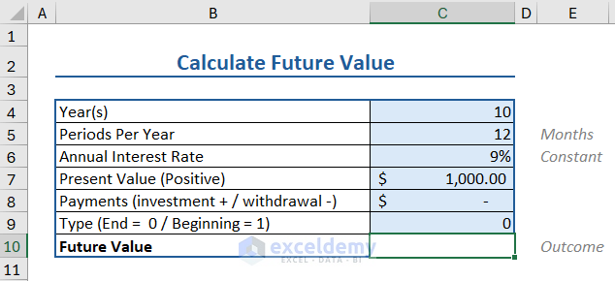

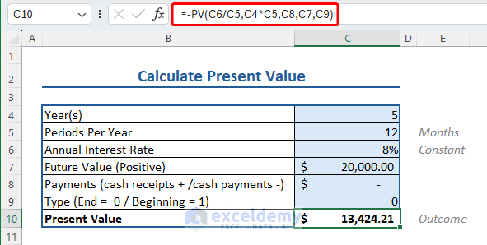

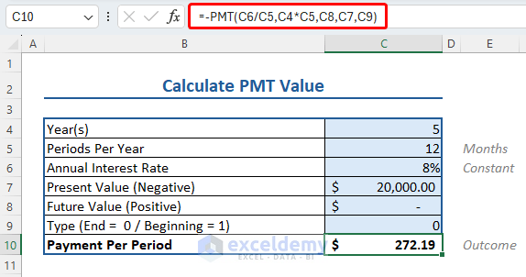

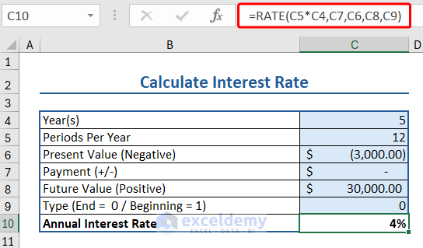

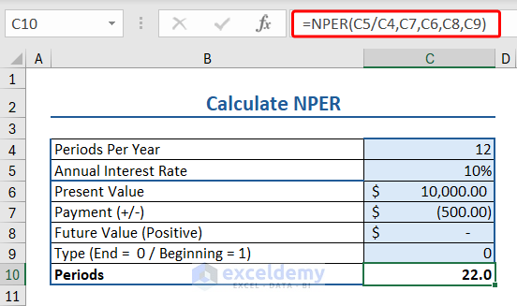

Homework
Home
1 | Formate Painter
2 | Wrap text
3 | Shink to Fit
4 | Center Across Selection
5 | Number formatting
6 | Make a Marksheet with Conditional Formatting With Formula
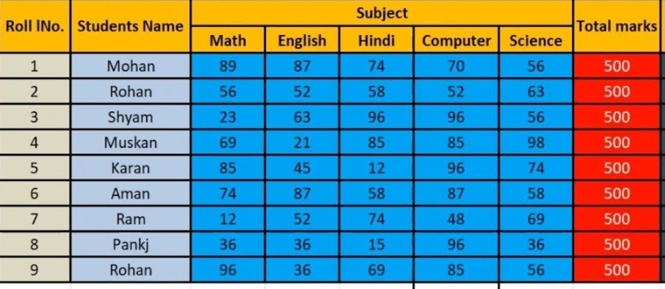

7 | Filter
8 | Custom sort

